Short Profiles DE Companies
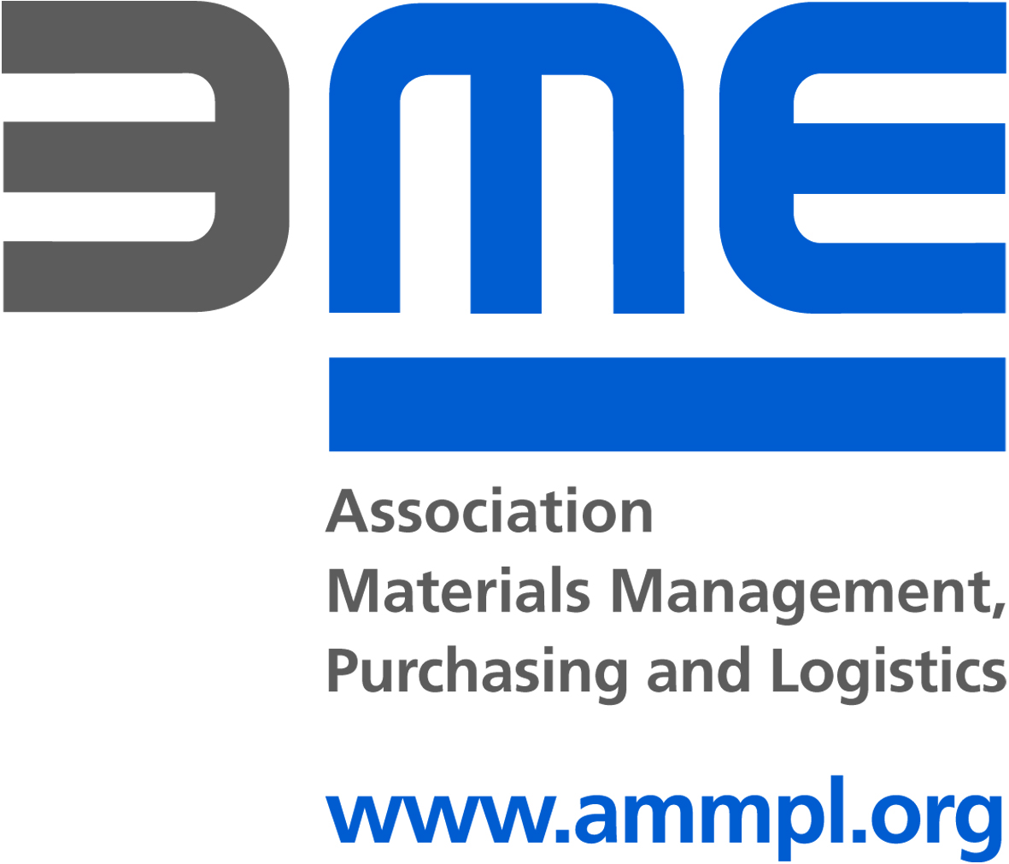
Balkan Procurement Initiative - Munic, 09 June 2015

Short Profile Purchaser | Purchasing Company 1 | Purchasing Company 2 | Purchasing Company 3 | Purchasing Company 4
Company Name | Aerzener Maschinenfabrik GmbH | Baumüller Nürnberg GmbH | Big Dutchman International GmbH | Bühler Technologies GmbH
Employees buying company | 1800 worldwide | 350 | 2500 | 140
Turnover buying company in EUR | 300 Mio. € (AM-Group) | 100 | 700 | 25
Correspondence Language(s) DE / EN | German/English | deutsch | german, english | german, english
Company-Homepage | http://eng-de.aerzen.com/Company/Purchasing/Organisation | www.baumueller.de | www.bigdutchman.de | www.buehler-technologies.com
What is the Company’s Industry / Business Sector | Maschinen- und Anlagenbau | Automation & Drives | Equipment producer for Poultry and Pig | fluid systems and gas analysis
Interested in Mass Production | none | open | >10,000 (nice to have) | open
Supplier's Export Share (%) | 30 | open | >20 | open
Which certificates are a must have for a supplier? | ISO 9001 Must Have; ISO 14001 Nice to Have; ISO 16949 Nice to Have | ISO 9001 Must Have; ISO 14001 Nice to Have; | ISO 9001 Nice to Have; ISO 14001 Nice to Have | ISO 9001 Must Have;
Turnover selling company in EUR | 1.1 | 10 | >5 | open
Employees selling company | 11 | 50 | >70 | open

Short Profile Purchaser | Purchasing Company 5 | Purchasing Company 6 | Purchasing Company 7 | Purchasing Company 8
Company Name | Dometic Group | Draexlmaier | GEA Refrigeration Germany GmbH | Holzma Plattenaufteiltechnik GmbH
Employees buying company | 7200 | 55000 | 285 | 5100
Turnover buying company in EUR | 1 Billion EUR | 3500 | 103 Mio € | 850 Mio €
Correspondence Language(s) DE / EN | German / English | English, German | German / English | deutsch / English
Company-Homepage | www.dometic.com | https://www.draexlmaier.com/en/supplier-portal.html | http://www.gearefrigeration.com/de-de/Pages/default.aspx | www.holzma.com
What is the Company’s Industry / Business Sector | Leisure / Recreational Vehicles (RV) / Truck / Marine / Lodging | Automotive | Maschinenbau | Maschinenbau
Interested in Mass Production | open | open | lotsizes of 10 to 500 pcs / year | open
Supplier's Export Share (%) | open | open | 50 | 20
Which certificates are a must have for a supplier? | ISO 9001 Must Have; ISO 14001 Must Have; ISO 16949 Must Have | ISO 9001 Nice to Have; ISO 14001 Nice to Have; ISO 16949 Nice to Have | ISO 9001 Must Have; ISO 14001 Must Have; ISO 16949 Nice to Have | ISO 9001 Must Have;
Turnover selling company in EUR | 0,5 Mio EUR | open | 5 to 50 Mio € | open
Employees selling company | 10 | open | 50 to 250 | open

Balkan Procurement Initiative - Munic, 09 June 2015

Short Profile Purchaser | Purchasing Company 9 | Purchasing Company 10 | Purchasing Company 11 | Purchasing Company 12
Company Name | Ipsen International GmbH | Jost-Werke GmbH | Kesseböhmer Holding e.K. | Kirchhoff Automotive GmbH
Employees buying company | ca. 300 ee in DE ca. 1000 global | 3000 | ca. 2300 | 8400
Turnover buying company in EUR |  | 600 mio. € | ca. 400 | 1205
Correspondence Language(s) DE / EN | Deutsch / Englisch | Deutsch/Englisch | deutsch / english | German, English
Company-Homepage | www.ipsen.de | www.jost-world.com | www.kesseboehmer.de | http://kirchhoff-automotive.de/
What is the Company’s Industry / Business Sector | Industrieofenbau | Automotive | Metal Working Industry | Automotive
Interested in Mass Production | open | open | 10000 | open
Supplier's Export Share (%) | open | >10% | 50 | 1
Which certificates are a must have for a supplier? | ISO 9001 Nice to Have; ISO 14001 Nice to Have; ISO 16949 Nice to Have | ISO 9001 Must Have; ISO 14001 Nice to Have; ISO 16949 Nice to Have | ISO 9001 Must Have; ISO 14001 Nice to Have; ISO 16949 Nice to Have | ISO 9001 Must Have; ISO 14001 Must Have; ISO 16949 Must Have
Turnover selling company in EUR | open | open | 5 | 1
Employees selling company | open | open | 50 | 1

Short Profile Purchaser | Purchasing Company 13 | Purchasing Company 14 | Purchasing Company 15 | Purchasing Company 16
Company Name | Leopold KOSTAL GmbH & Co.KG | Kubota Baumaschinen GmbH | Masa GmbH | Max Frank GmbH & Co. KG
Employees buying company | > 10k | 400 / Konzern 30000 | approx. 500 | ca. 650
Turnover buying company in EUR | > 1 Bln € |  | approx. 100 | ca. 80 Mio
Correspondence Language(s) DE / EN | Deutsch, English | Deutsch/Englisch | German, English | German / English
Company-Homepage | www.kostal.com | www.kubota-baumaschinen.de | www.masa-group.com | www.maxfrank.de
What is the Company’s Industry / Business Sector | Automotive Mechatronic | (mini) construction maschines | machinery and plant engineering and construction | Technologies for the construction industry
Interested in Mass Production | open | yes | not necessary | open
Supplier's Export Share (%) | open | open | > 50% | >20%
Which certificates are a must have for a supplier? | ISO 9001 Must Have; ISO 14001 Nice to Have; ISO 16949 Nice to Have | ISO 9001 Nice to Have; ISO 14001 Nice to Have; ISO 16949 Nice to Have | ISO 9001 Nice to Have; ISO 14001 Nice to Have; ISO 16949 Nice to Have | ISO 9001 Nice to Have; ISO 14001 Nice to Have; ISO 16949 Nice to Have
Turnover selling company in EUR | open | open | open | open
Employees selling company | open | 20 | open | open

Balkan Procurement Initiative - Munic, 09 June 2015

Short Profile Purchaser | Purchasing Company 17 | Purchasing Company 18 | Purchasing Company 19 | Purchasing Company 20
Company Name | Nordic Yards Wismar GmbH | Roth Werke | SAMSON AG | SCHULER PRESSEN GMBH
Employees buying company | 1315 | round about 1.200 | 4000 | > 5000
Turnover buying company in EUR | private | > 250 mio. Euro | 640 | > 1 Mrd.
Correspondence Language(s) DE / EN | german, english | german / englisch | German/English | German, Enghlish, Russian
Company-Homepage | http://www.nordicyards.com/suppliers.html | www.roth-werke.de | www.samson.de | www.schulergroup.com
What is the Company’s Industry / Business Sector | Shipbuilding, Offshore Oil & Gas, Offshore Wind | Energysystems | Industrial Valves | Maschinenbau, Automotive
Interested in Mass Production | open | open | open | open
Supplier's Export Share (%) | open | open | 50 | 30
Which certificates are a must have for a supplier? | ISO 9001 Must Have; ISO 14001 Must Have; ISO 16949 Nice to Have | ISO 9001 Must Have; ISO 14001 Nice to Have; | ISO 9001 Must Have; ISO 14001 Nice to Have; | ISO 9001 Must Have; ISO 14001 Nice to Have; ISO 16949 Nice to Have
Turnover selling company in EUR | open | open | open | SME ok
Employees selling company | open | open | 50 | 70

Short Profile Purchaser | Purchasing Company 21 | Purchasing Company 22 | Purchasing Company 23 | Purchasing Company 24
Company Name | Stabilus GmbH | Villeroy & Boch AG | VSM Vereinigte Schmirgel- und Maschinenfabriken AG | Windmöller & Hölscher KG
Employees buying company | 3500 | 7500 | 700 | 2000
Turnover buying company in EUR | > 500 mil. Euro | 744 | 115 | Over 500 Mill.
Correspondence Language(s) DE / EN | german, enghlish | DE / EN | German, english, French | German, English
Company-Homepage | www.stabilus.com | www.villeroy-boch.com | http://www.vsmag.de | http://www.wuh-lengerich.de/en/units/purchase/purchasing-program/schematics/
What is the Company’s Industry / Business Sector | Automotive / Furniture / Medical / other ind. applications | Sanitary | Chemie/ Chemical Industriy | Mechanical Engineering
Interested in Mass Production | (pieces also requested, mass production up to 100,000 p.a. or even more / nice to have) | open | open | open
Supplier's Export Share (%) | open | 10 | open | >20
Which certificates are a must have for a supplier? | ISO 9001 Must Have; ISO 14001 Nice to Have; ISO 16949 Nice to Have | ISO 9001 Must Have; ISO 14001 Must Have; ISO 16949 Must Have | ISO 9001 Nice to Have; ISO 14001 Nice to Have; | ISO 9001 Nice to Have; ISO 14001 Nice to Have;
Turnover selling company in EUR | SME ok | open | open | >5
Employees selling company | SME ok | open | open | >50

Balkan Procurement Initiative - Munic, 09 June 2015

Short Profile Purchaser | Purchasing Company 25
Company Name | Wittenstein AG
Employees buying company | 1900
Turnover buying company in EUR | 175 Mio €
Correspondence Language(s) DE / EN | english
Company-Homepage | www.wittenstein.de
What is the Company’s Industry / Business Sector | Mechanical engineering
Interested in Mass Production | open
Supplier's Export Share (%) | 60
Which certificates are a must have for a supplier? | ISO 9001 Must Have; ISO 14001 Nice to Have;
Turnover selling company in EUR | open
Employees selling company | 50-200

